Identification
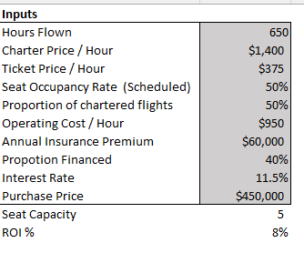
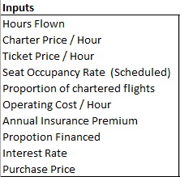
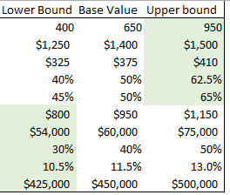
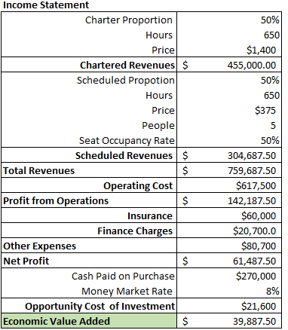
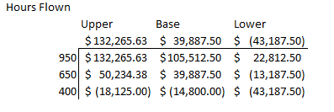
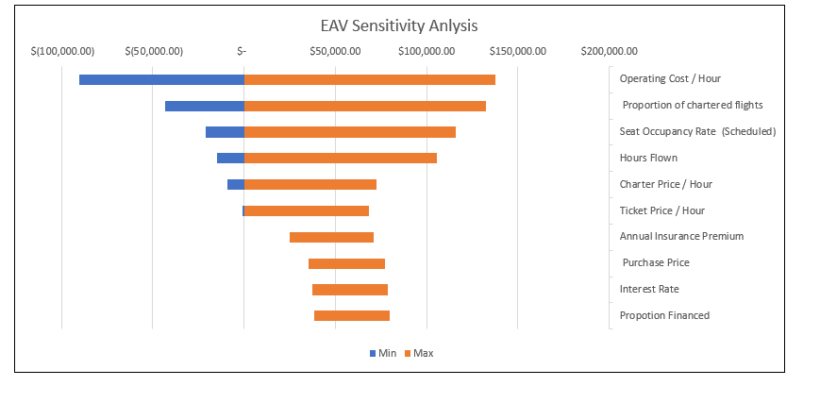
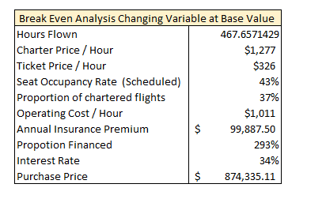
Eagle Airlines: An Analysis of the Purchase of Piper Seneca V
By: Jozef Noka, Chase Eagan, Nicholas Pasquariello, Mark Oddi, Art Greene, Devan Morehouse
Identification
Table 1: This table is used for visualizing the necessary inputs for calculating the economic value added (EVA) the grayed area are the variable changes in using the Scenario Manager to input the Best, Base, and Worst Scenario.
Table 2: Shows the Highest and Lowest boundaries of the variables. For example purposes, the colors are highlighted green to represent the best-case scenario (The highest sales variables and lowest cost variables)
Table 3: This table shows the process of calculating the EAV following an Income Statement guideline.
Table 4: This table is 9 EAVs for Hours Flown (one of the ten variables). The 90 EAVs are used to calculate the sensitivity analysis in the graph below.
Graph 1: This graph is a tornado chart, which is a sensitivity analysis that can be used to determine the degree to which each variable will impact the EAV
Table 5: This table is the value at which each variable need to independently need to change to have EAV break even.

90 EVA
Inputs | Upper | Base | Lower | Income Statement | Upper | Base | Lower | Hours Flown
Hours Flown | 950 | 650 | 400 | Charter Proportion | 65% | 50% | 45% |  | Upper | Base | Lower |  | Min | Max | Deviation
Charter Price / Hour | $1,500 | $1,400 | $1,250 | Hours | 950 | 650 | 400 |  | $132,265.63 | $39,887.50 | $(43,187.50) | Operating Cost / Hour | $(90,112.50) | $137,387.50 | $227,500.00
Ticket Price / Hour | $410 | $375 | $325 | Price | $1,500 | $1,400 | $1,250 | 950 | $132,265.63 | $105,512.50 | $22,812.50 | Proportion of chartered flights | $(43,187.50) | $132,265.63 | $175,453.13
Seat Occupancy Rate (Scheduled) | 62.5% | 50% | 40% | Chartered Revenues | $926,250.00 | $455,000.00 | $225,000.00 | 650 | $50,234.38 | $39,887.50 | $(13,187.50) | Seat Occupancy Rate (Scheduled) | $(21,050.00) | $116,059.38 | $137,109.38
Proportion of chartered flights | 65% | 50% | 45% | Scheduled Propotion | 35% | 50% | 55% | 400 | $(18,125.00) | $(14,800.00) | $(43,187.50) | Hours Flown | $(14,800.00) | $105,512.50 | $120,312.50
Operating Cost / Hour | 1150 | $950 | 800 | Hours | 950 | 650 | 400 |  |  |  |  | Charter Price / Hour | $(8,862.50) | $72,387.50 | $81,250.00
Annual Insurance Premium | 75000 | $60,000 | 54000 | Price | $410 | $375 | $325 | Charter Price / Hour |  |  |  | Ticket Price / Hour | $(737.50) | $68,325.00 | $69,062.50
Propotion Financed | 0.5 | 40% | 0.3 | People | 5 | 5 | 5 |  | Upper | Base | Lower | Annual Insurance Premium | $24,887.50 | $45,887.50 | $21,000.00
Interest Rate | 0.13 | 11.5% | 0.105 | Seat Occupancy Rate | 63% | 50% | 40% |  | $132,265.63 | $39,887.50 | $(43,187.50) | Purchase Price | $35,187.50 | $42,237.50 | $7,050.00
Purchase Price | 500000 | $450,000 | 425000 | Scheduled Revenues | $426,015.63 | $304,687.50 | $143,000.00 | $1,500 | $132,265.63 | $72,387.50 | $1,812.50 | Interest Rate | $37,187.50 | $41,687.50 | $4,500.00
Seat Capacity | 5 |  |  | Total Revenues | $1,352,265.63 | $759,687.50 | $368,000.00 | $1,400 | $70,515.63 | $39,887.50 | $(16,187.50) | Propotion Financed | $38,312.50 | $41,462.50 | $3,150.00
ROI % | 8% |  |  | Operating Cost | $1,092,500 | $617,500 | $320,000 | $1,250 | $(22,109.38) | $(8,862.50) | $(43,187.50)
EVA Sensitivity Anlysis
 |  |  |  | Profit from Operations | $259,765.63 | $142,187.50 | $48,000.00
 |  |  |  | Insurance | $75,000 | $60,000 | $54,000 | Ticket Price / Hour
 |  |  |  | Finance Charges | $32,500.0 | $20,700.0 | $13,387.5 |  | Upper | Base | Lower
 |  |  |  | Other Expenses | $107,500 | $80,700 | $67,388 |  | $132,265.63 | $39,887.50 | $(43,187.50)
 |  |  |  | Net Profit | $152,265.63 | $61,487.50 | $(19,387.50) | $410 | $132,265.63 | $68,325.00 | $(5,787.50)
 |  |  |  | Cash Paid on Purchase | $250,000 | $270,000 | $297,500 | $375 | $95,898.44 | $39,887.50 | $(21,187.50)
 |  |  |  | Money Market Rate | 8% | 8% | 8% | $325 | $43,945.31 | $(737.50) | $(43,187.50)
 |  |  |  | Opportunity Cost of Investment | $20,000 | $21,600 | $23,800
 |  |  |  | Economic Value Added | $132,265.63 | $39,887.50 | $(43,187.50) | Seat Occupancy Rate (Scheduled)
 |  |  |  |  |  |  |  |  | Upper | Base | Lower
 |  |  |  |  |  |  |  |  | $132,265.63 | $39,887.50 | $(43,187.50)
 |  |  |  |  |  |  |  | 62.5% | $132,265.63 | $116,059.38 | $37,250.00
 |  |  |  |  |  |  |  | 50% | $47,062.50 | $39,887.50 | $(7,437.50)
 |  |  |  |  |  |  |  | 40% | $(21,100.00) | $(21,050.00) | $(43,187.50)

 |  |  |  |  |  |  |  | Proportion of chartered flights
 |  |  |  |  |  |  |  |  | Upper | Base | Lower
 |  |  |  |  |  |  |  |  | $132,265.63 | $39,887.50 | $(43,187.50)
 |  |  |  |  |  |  |  | 65% | $132,265.63 | $84,981.25 | $4,812.50
 |  |  |  |  |  |  |  | 50% | $101,093.75 | $39,887.50 | $(31,187.50)
 |  |  |  |  |  |  |  | 45% | $90,703.13 | $24,856.25 | $(43,187.50)

 |  |  |  |  |  |  |  | Operating Cost / Hour
 |  |  |  |  |  |  |  |  | Upper | Base | Lower
 |  |  |  |  |  |  |  |  | $132,265.63 | $39,887.50 | $(43,187.50)
 |  |  |  |  |  |  |  | $1,150.00 | $132,265.63 | $(90,112.50) | $(183,187.50)
 |  |  |  |  |  |  |  | $950.00 | $322,265.63 | $39,887.50 | $(103,187.50)
 |  |  |  |  |  |  |  | $800.00 | $464,765.63 | $137,387.50 | $(43,187.50)

 |  |  |  |  |  |  |  | Annual Insurance Premium
 |  |  |  |  |  |  |  |  | Upper | Base | Lower
 |  |  |  |  |  |  |  |  | $132,265.63 | $39,887.50 | $(43,187.50)
 |  |  |  |  |  |  |  | $75,000.00 | $132,265.63 | $24,887.50 | $(64,187.50)
 |  |  |  |  |  |  |  | $60,000.00 | $147,265.63 | $39,887.50 | $(49,187.50)
 |  |  |  |  |  |  |  | $54,000.00 | $153,265.63 | $45,887.50 | $(43,187.50)

 |  |  |  |  |  |  |  | Propotion Financed
 |  |  |  |  |  |  |  |  | Upper | Base | Lower
 |  |  |  |  |  |  |  |  | $132,265.63 | $39,887.50 | $(43,187.50)
 |  |  |  |  |  |  |  | 50% | $132,265.63 | $38,312.50 | $(45,312.50)
 |  |  |  |  |  |  |  | 40% | $134,765.63 | $39,887.50 | $(44,250.00)
 |  |  |  |  |  |  |  | 30% | $137,265.63 | $41,462.50 | $(43,187.50)

 |  |  |  |  |  |  |  | Interest Rate
 |  |  |  |  |  |  |  |  | Upper | Base | Lower
 |  |  |  |  |  |  |  |  | $132,265.63 | $39,887.50 | $(43,187.50)
 |  |  |  |  |  |  |  | 13.0% | $132,265.63 | $37,187.50 | $(46,375.00)
 |  |  |  |  |  |  |  | 11.5% | $136,015.63 | $39,887.50 | $(44,462.50)
 |  |  |  |  |  |  |  | 10.5% | $138,515.63 | $41,687.50 | $(43,187.50)

 |  |  |  |  |  |  |  | Purchase Price
 |  |  |  |  |  |  |  |  | Upper | Base | Lower
 |  |  |  |  |  |  |  |  | $132,265.63 | $39,887.50 | $(43,187.50)
 |  |  |  |  |  |  |  | $500,000.00 | $132,265.63 | $35,187.50 | $(49,750.00)
 |  |  |  |  |  |  |  | $450,000.00 | $137,515.63 | $39,887.50 | $(45,375.00)
 |  |  |  |  |  |  |  | $425,000.00 | $140,140.63 | $42,237.50 | $(43,187.50)

